Emitter bypass
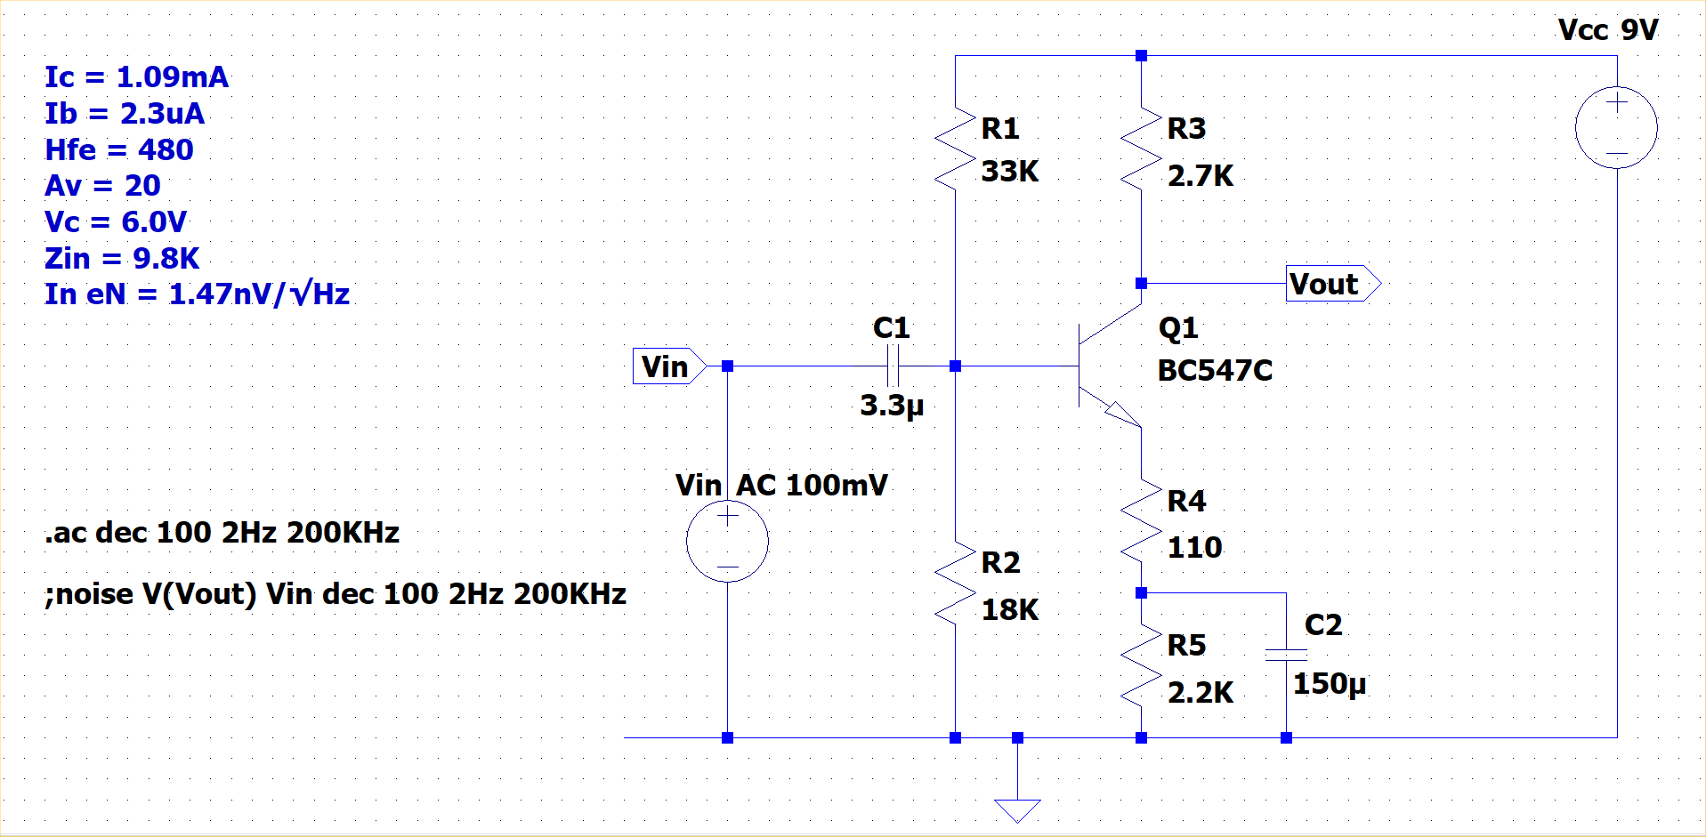
Vcc = | 12 | V
R1 = | 10 | K
R2 = | 4.7 | K
R3 = | 1 | K
R4 = | 0.1 | K
R5 = | 0.33 | K
C1 = | 1 | μF
C2 = | 47 | μF
Vbe = | 0.65 | V
β = | 200

Rb = | 86 | K | β.(R4+R5)
Zin(dc) = | 3.0826723612 | K | R1||R2||Rb
Vb = | 3.7225061013 | V | (Vcc/R1+Vbe/Rb).Zin
Ve = | 3.0725061013 | V | Vb-Vbe
Ie = | 7.1453630262 | mA | Ve/(R4+R5)
Ic = | 7.1098139565 | mA | Ie*β/(β+1)
Vc = | 4.8901860435 | V | Vcc-Ic.R3
re = | 0.0035865917387 | K | 25.5mV/Ic
Re = | 0.10358659174 | K | R4+re
Av = | 9.6537590746 |  | R3/Re
Zin(ac) = | 2.7698164573 | K | R1||R2||β.Re
fin = | 57.460465539 | Hz | 1/2π.C1.Zin(ac)
fbp = | 32.690286726 | Hz | 1/2π.C2.Re

Collector feedback
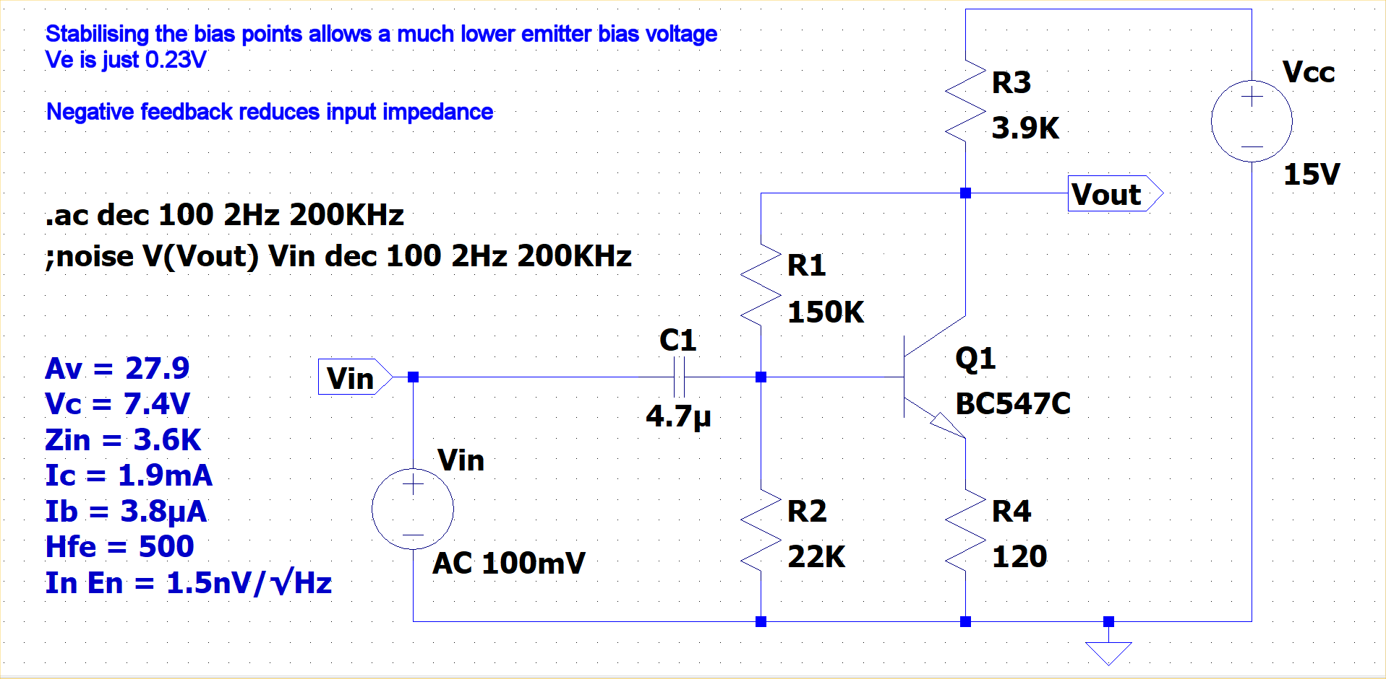
Vcc = | 15 | V
R1 = | 150 | K
R2 = | 22 | K
R3 = | 3.9 | K
R4 = | 0.12 | K

C1 = | 4.7 | μF

Vbe = | 0.65 | V
β = | 500

Rb = | 60 | K | β.R4
Zin(dc) = | 14.537444934 | K | R1||R2||Rb
Vb = | 0.88436123348 | V | (Vcc/R1+Vbe/Rb).Zin
Ve = | 0.23436123348 | V | Vb-Vbe
Ie = | 1.953010279 | mA | Ve/R4
Ic = | 1.9491120549 | mA | Ie*β/(β+1)
Vc = | 7.3984629859 | V | Vcc-Ic.R3
re = | 0.013082880451 | K | 25.5mV/Ic
Re = | 0.13308288045 | K | R4+re
Av = | 29.3050465 |  | R3/Re
Zin(ac) = | 14.892156713 | K | R1||R2||β.Re
fin = | 2.2738649949 | Hz | 1/2π.C1.Zin(ac)

